Estimate Classification
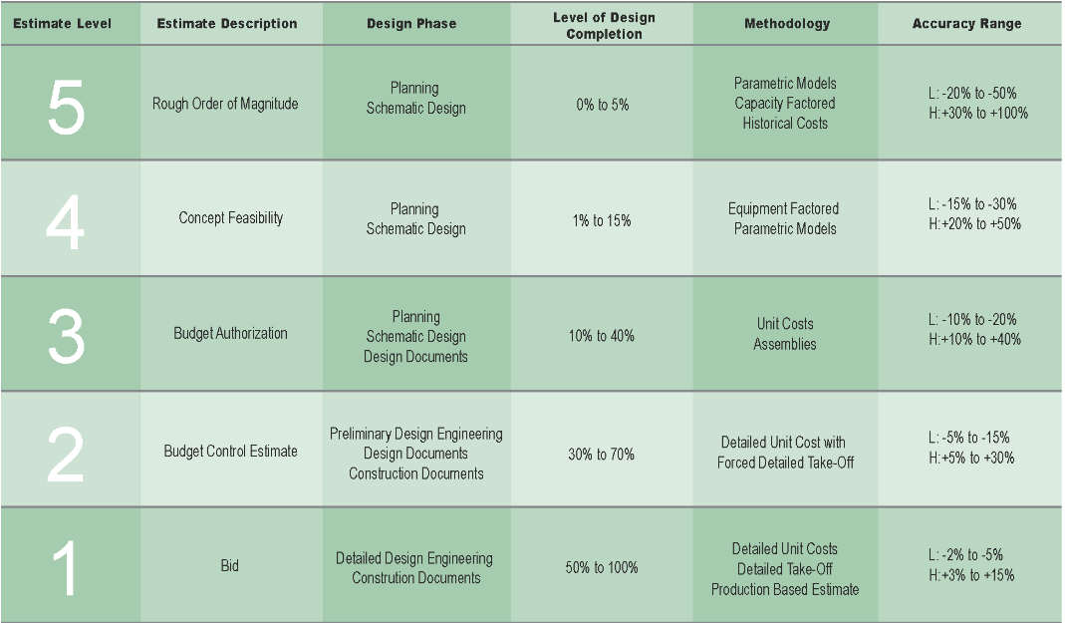
Estimate Classification Matrix

Plumbing
Building Estimate | 15 story
 | 110,000 | SF
 | 130 | units |  | Zone 1 |  |  | Zone 2
 | 20,000 | SF | Retail |  | 2 bedroom |  |  | 2 bedroom
 |  |  |  |  | 65 |  |  | 65
Gas load for each unit |  | 60 | cfh |  | 120 |  |  | 120
Total cooking load |  | 7800 | cfh |  | 7800 |  |  | 7800
 |  |  |  | 7800 |  |  | 7800
Total bathrooms | 130 | 3.6 | WSFU | Demand | Storage |  | Demand | Storage
Total kitchens | 130 | 2.8 | WSFU | 0.1429 | 0.2000 |  | 0.1429 | 0.2000
 |  | 6.4 | WSFU | 1114.2857143 | 1560 |  | 1114.2857143 | 1560
 |  | 832 | WSFU | 2674 |  | gallons | 2674 |  | gallons
 |  | 182 | GPM
Required Pipe Size |  | 4"
 |  |  |  | Water Heater (WH) # | Heater Location | Zone | GPH | WH (gallons) | QTY | Total WH (gallons) | Required Recovery | BTU Required for 100 Deg Rise | BTU per WH | Actual BTU per WH | Total BTU Required
Laundry Mat
Assume | 75 | CFH PER DRYER |  | 1 | Basement | Low | 2674 | 300 | 2 | 600 | 2074.2857143 | 1,727,880 | 863,940 | 1,000,000 | 2,000,000
 | 3750 | CFH |  | 2 | Basement | Mid | 2674 | 300 | 2 | 600 | 2074.2857143 | 1,727,880 | 863,940 | 1,000,000 | 2,000,000
 |  |  |  |  |  |  |  |  |  |  |  |  |  |  | 4,000,000 | BTU
 |  |  |  |  |  |  |  |  |  |  |  |  |  | WH | 4000 | CFH
 |  |  |  |  |  |  |  |  |  |  |  |  |  | Cooking | 7800
 |  |  |  |  |  |  |  |  |  |  |  |  |  | Total Base Building | 11800 | CFH
 |  |  |  |  |  |  |  |  |  |  |  |  |  | Space Heating | 1,445,308
 |  |  |  |  |  |  |  |  |  |  |  |  |  |  | 1,457,108

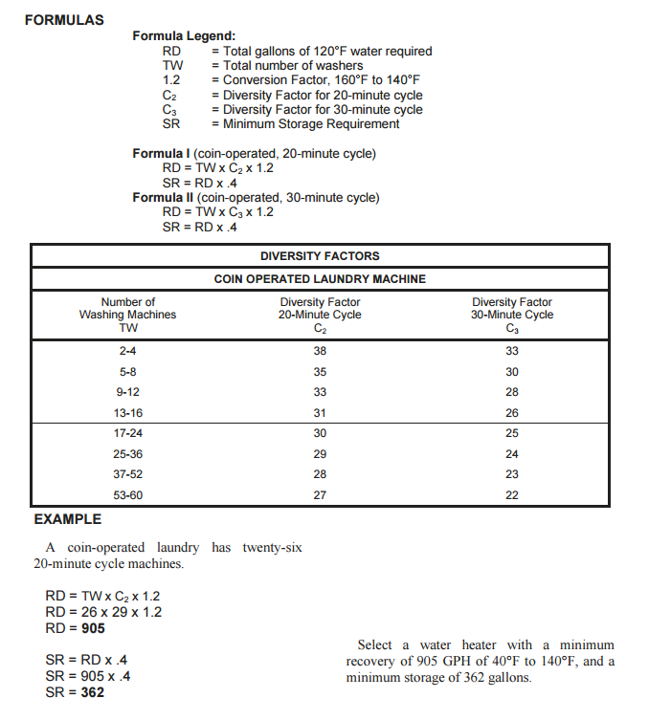

 |  |  |  |  |  |  |  | TW | C2 | C3
 |  |  |  |  |  |  |  | 50 | 28 | 23
 |  |  |  |  |  |  |  | RD | 1680 | 1380
 |  |  |  |  |  |  |  | SR | 672 | 552
 |  |  |  |  |  |  |  | BTU Required for 100 Deg Rise | 1,399,440 | 1,149,540
 |  |  |  |  |  |  |  |  | 1399.44

 |  |  |  |  |  |  |  |  | RD | 900
 |  |  |  |  |  |  |  |  | BTU Required for 100 Deg Rise | 749,700
 |  |  |  |  |  |  |  |  |  | 749.7

